Sheet1
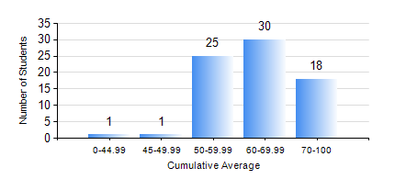
 |  |  | KWAME NKRUMAH UNIVERSITY OF SCIENCE AND TECHNOLOGY, KUMASI Department of Telecommunication Engineering

 |  |  | BSC. TELECOMMUNICATION ENG.

 |  |  | COMPREHENSIVE RECORD OF EXAMINATION RESULTS

 |  |  | RESULTS OF YEAR 4 FIRST SEMESTER, 2020/2021 ACADEMIC YEAR

 | Sn | Course Code |  | Course Name | Credit Hours | Min. Mark | Max. Mark | Avg. Mark | Std. Dev. | No. Passed | No. Trailed | No. (Df) | No. (I) | No. (I*) | No. Tagged(I,I*,Df) | Total
 | 0. |  |  |  |  |  |  | 0 | 0 | 0 | 0 | 0 | 0 | 0 | 0 | 2
 | 1. | COE 475 |  | COMPUTER NETWORKING | 4 | 35 | 91 | 65 | 12.51 | 72 | 1 | 0 | 0 | 0 | 0 | 73
 | 2. | EE 489 |  | INDUSTRIAL TRAINING | 1 | 50 | 91 | 86 | 8.26 | 72 | 0 | 1 | 0 | 0 | 1 | 73
 | 3. | ME 491 |  | ENGINEERING ECONOMICS AND MANAGEMENT | 3 | 40 | 83 | 63 | 10.63 | 73 | 0 | 0 | 0 | 0 | 0 | 73
 | 4. | TE 381 |  | OPTICAL COMMUNICATIONS | 2 | 40 | 66 | 51 | 13.45 | 3 | 0 | 0 | 0 | 0 | 0 | 3
 | 5. | TE 461 |  | COMPUTER APPLICATION ANDPROJECT DESIGN | 3 | 47 | 92 | 73 | 9.57 | 73 | 0 | 0 | 0 | 0 | 0 | 73
 | 6. | TE 471 |  | ELECTROMAGNETIC COMPATIBILITY | 3 | 40 | 93 | 77 | 9.08 | 73 | 0 | 0 | 0 | 0 | 0 | 73
 | 7. | TE 481 |  | WIRELESS DATA COMMUNICATION NETWORK | 3 | 24 | 85 | 58 | 14.76 | 69 | 4 | 0 | 0 | 0 | 0 | 73
 | 8. | TE 497 |  | PROJECT I | 3 | 77 | 91 | 84 | 3 | 73 | 0 | 0 | 0 | 0 | 0 | 73

